Sheet1
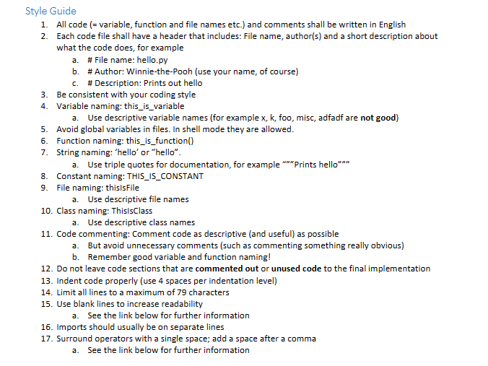
Story of User

I request to do some application for little compedition game. The rule is that they can add themselves any words, numbers into the list and they can memorize it and asks each other what word or numbers was there after adding all of them togheter. And champion will be one who calculates all the numbers on the list. Having GUI would be nice

Functional requirements.
FR 1 | I requested adjustable list program
FR 2 | I want to always check the list
FR 3 | I want to add item in the list freely
FR 4 | I want to search the item from the list
FR 5 | I want to remove item from the list
FR 6 | I want to calculate sum of numbers on the list
FR 7 | I want function that exit the program
FR 8 | Program can have GUI, if there is possible

Testing plan

Test case ID | Title | Preconditions | Test step1 | Expected outcome | Run Date | Actual outcome | Status | Test step 2 | Expected outcome | Run Date | Actual outcome | Status | Test step 3 | Expected outcome | Run Date | Actual outcome | Status
FR 1 | User can always check the list |  | Check list displayed | List should appear with all list | 2023-02-11 |  | Passed | Check after add items on the list | List should appear with all list | 2023-02-11 |  | Passed | Check after remove items on the list | List should appear with all list | 2023-02-11 |  | Passed
FR 2 | User can add item in the list |  | Add words into list | List should be works fine | 2023-02-11 |  |  | Add numbers into list |  | 2023-02-11 |  |  | Add floatt into list |  | 2023-02-11
FR 3 | User can search the item from the list |  | Search words from list | Search should works fine | 2023-02-11 |  |  | Search numbers from list |  | 2023-02-11 |  |  | Search float from list |  | 2023-02-11
FR 4 | User can remove item from the list |  | Remove item from list | Remove should works fine | 2023-02-11 |  |  | Remove non existing item from list |  | 2023-02-11 |  |  |  |  | 2023-02-11
FR 5 | User can sees sum of numbers on the list |  | Calculates sum of numbers | Sum should add up | 2023-02-11 |  |  | Add numbers with a symbol and find out if test1 result changed |  | 2023-02-11 |  |  |  |  | 2023-02-11
FR 6 | User can exit the program |  | Try exit | Exit should work | 2023-02-11 |  |  | Try exit using ctrl+c command |  | 2023-02-11 |  |  |  |  | 2023-02-11
FR 7 | Program can have GUI, if there is possible |  | Check if there is Gui | See the program | 2023-02-11 |  |  | Check 3rd party software |  | 2023-02-11 |  |  |  |  | 2023-02-11
FR 8 | Check the program following Python style guide | See python style guide and use a rule numbers as identify what rule not included in this program (precondition 1) | Check codes and find out if there is any mistake | There is all rules should be followed | 2023-02-11 |  |  |  |  | 2023-02-11 |  |  |  |  | 2023-02-11
FR 9 + | User requested adjustable list program |  | Sum all tests | Everything works with no error | 2023-02-11 |  |  |  |  | 2023-02-11 |  |  |  |  | 2023-02-11

Python Style Guide (precondition 1)

